PROPERTIES
NAME | MLI_k_throught
Temperature [ºC] | keff [W/(m2K)]
-75 | 0.00393
-45 | 0.01040
14 | 0.01499
50 | 0.02289
70 | 0.03368

GLs
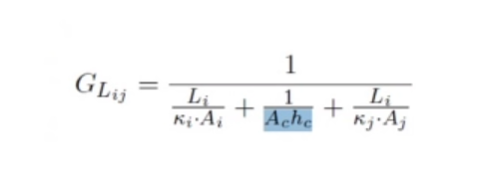

UDC | Source | Destination | Li [m] | ki [W/(mK)] | Ai [m^2] | Ac [m^2] | hc [W/(m^2K)] | kj [W/(mK)] | Aj [m^2] | ki [W/(mK)] | GL [W/K]
CCD_Panel | CCD | BODY | 0.0401 | 124 | 0.0154 | 0.004 | 400 | 160 | 0.004
IR_Tel_Lens_IR_Tel_Obj | IR_Tel_Lens | IR_Tel_Obj
IR_Tel_Obj_IR_Tel_CCD | IR_Tel_Obj | CCD
IR_Tel_Obj_IR_Tel_STR | IR_Tel_Obj | IR_Tel_STR
IR_Tel_STR_Panel_inf | IR_Tel_STR | Panel_inf
Panel_Plate | Panel | Plate
Plate_Panel | Plate | Panel

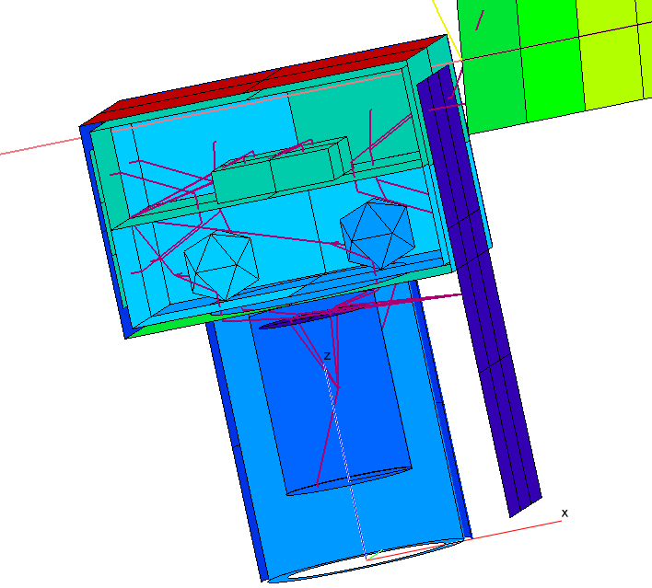
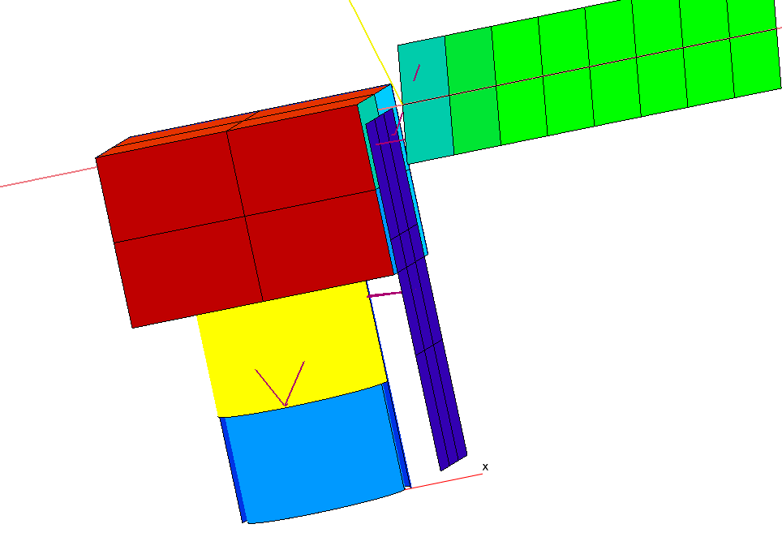
 |  |  |  |  |  |  |  | GL = kAc/L
UDC | Source | Destination | k [W/(mK)] | Ac [m^2] | L [m] | GL [W/K]
CCD_Panel | CCD | BODY | 0.0401 | 0 | 0.0154 | 0.0000 |  | STRAPS / HEAT PIPES
CCD_Rad | CCD | Rad_IR_Tel |  |  |  | #DIV/0!
EBox_Rad | EBox | RAD_INS |  |  |  | #DIV/0!
IR_Tel_Lens_IR_Tel_Obj | IR_Tel_Lens | IR_Tel_Obj |  |  |  | #DIV/0!
IR_Tel_Obj_IR_Tel_CCD | IR_Tel_Obj | CCD |  |  |  | #DIV/0!
IR_Tel_Obj_IR_Tel_STR | IR_Tel_Obj | IR_Tel_STR |  |  |  | #DIV/0!
IR_Tel_STR_Panel_inf | IR_Tel_STR | Panel_inf |  |  |  | #DIV/0!
PLD1_RAD | PLD1 | RAD_INS |  |  |  | #DIV/0!
PLD2_RAD | PLD2 | RAD_INS |  |  |  | #DIV/0!
Panel_Plate | Panel | Plate |  |  |  | #DIV/0!
Panel_SolarPanel | Panel | Solar Panel |  |  |  | #DIV/0!
Plate1_PLD1 | Plate | PLD1 |  |  |  | #DIV/0!
Plate1_PLD2 | Plate | PLD2 |  |  |  | #DIV/0!
Plate_Panel | Plate | Panel |  |  |  | #DIV/0!
 |  |  |  |  |  |  |  | FAKE CONTACT

UDC | Source | Destination | hc [W/(m^2K)] | Ac [m^2] | GL [W/K]
Plate1_PLD1 | Plate | PLD1
Plate1_PLD2 | Plate | PLD2

